3 cut Silage data
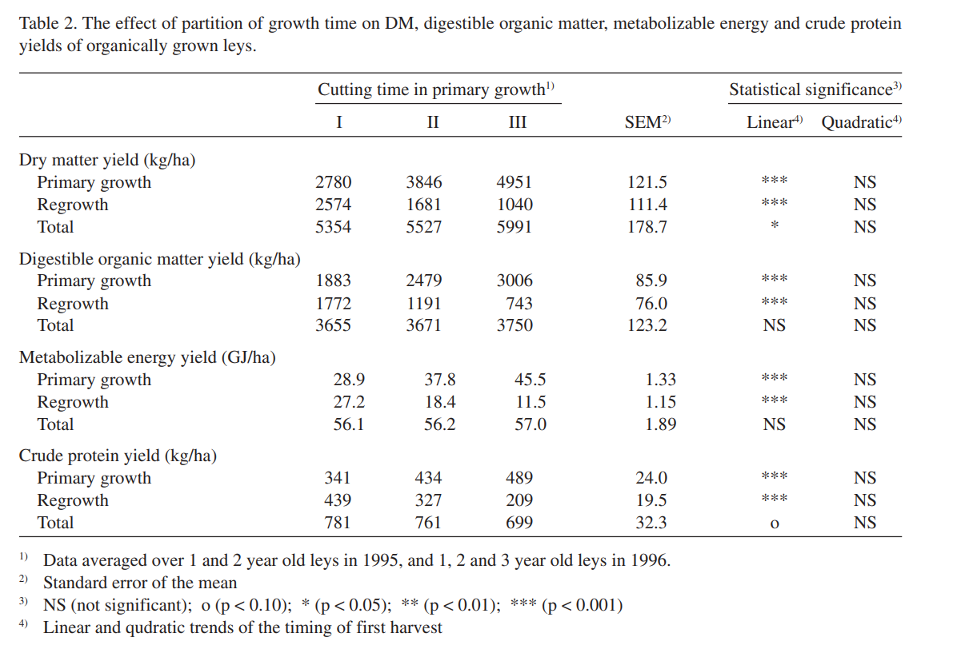
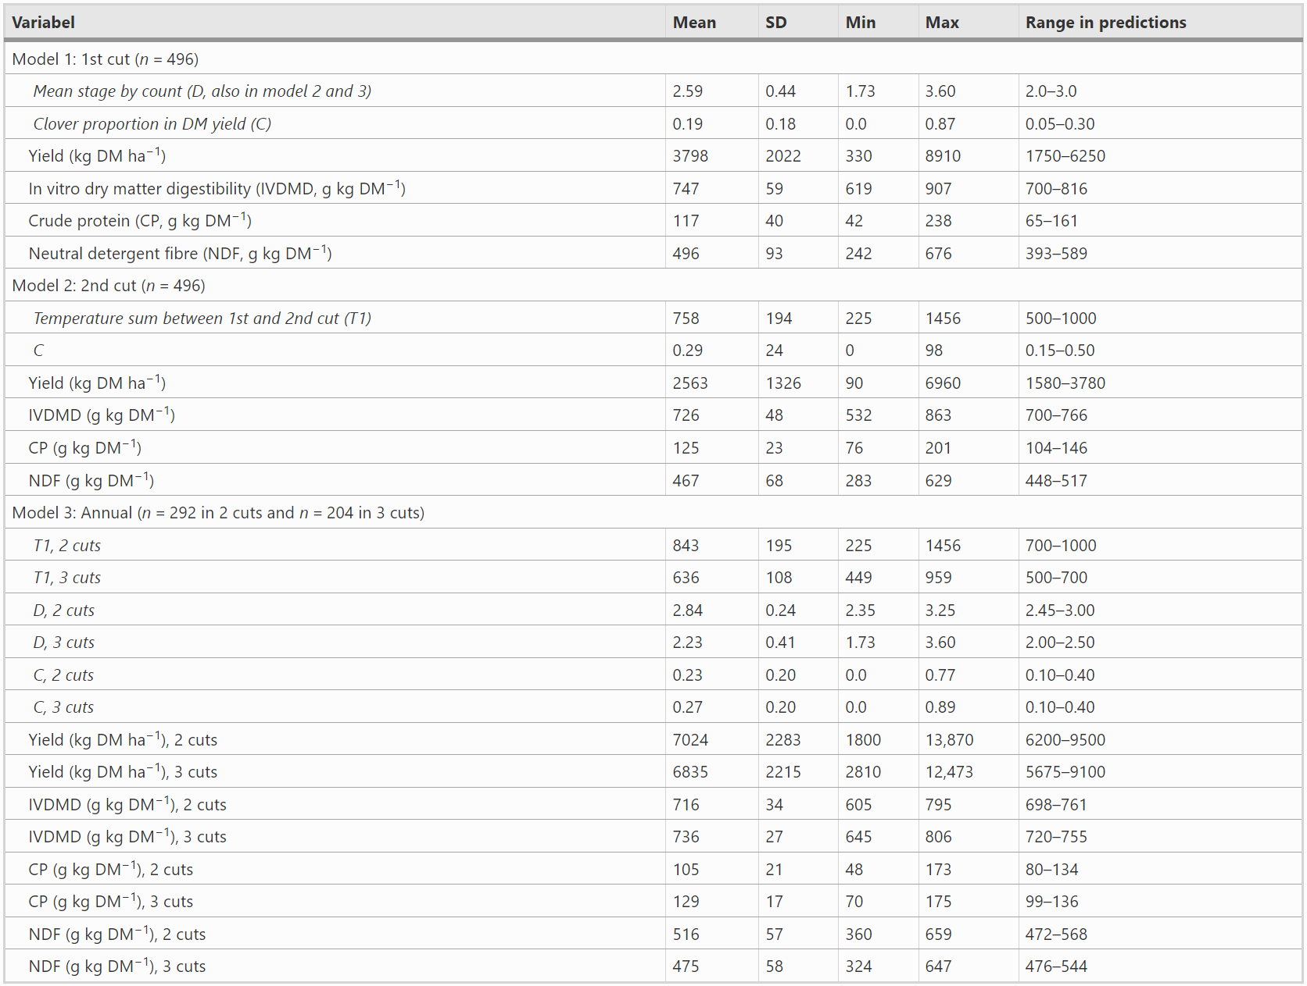
Model category | Sub-categories: | Components | Unit: | Grass-Clover (sown) |  |  |  | Perennial pastures
Crops | Agronomy | N fixation | kg/ha | 247.058 |  |  |  | 183
 |  | Erosion C factor | - | 0.19 |  |  |  | 0.19
 | Economic | Cultivation costs | euros/ha | 123.77950353 |  |  |  | 48.304992547
 |  | Contract work costs | euros/ha | 0 |  |  |  | 0
 |  | Subsidies | euros/ha | 552.4159507 |  |  |  | 484.42324896
 |  | Regular labour needed | hrs/ha | 1.4079822616 |  |  |  | 0.82601626016
 |  | Casual labour needed | hrs/ha | 0.65705838877 |  |  |  | 0.56319290466
 |  | Area cultivated on | ha | 121.81 |  |  |  | 26.07
 |  | Fresh yield total | FM kg/ha | 18000 |  |  |  | 8571.4285714
 |  | DM yield for entire crop farm level | kg DM | 478771.7688 |  |  |  | 46926
 |  | Harvesable index | - | 0.7 |  |  |  | 0.7
 |  |  |  | Pasture | Silage (early cut) | Silage (average cut) | Silage (late cut) | Pasture | Silage
Crop products | Destination | Used as green manure/mulch | kg DM | 205187.90091 | 0 | 0 | 0 | 20111.142857 | 0
 |  | food vs feed (grain = food, straw/cake = feed) | kg DM | 205187.90091 | 462634.38 | 312199.03 | 204762.61 | 20111.142857 | 92131.38
 |  | Fresh yield | FM kg/ha | 7714.2857143 | 10851.428571 | 7219.7183099 | 4802.8571429 | 3673.4693878 | 6000
 |  | DM yield | kg DM/ha | 1684.4914286 | 3798 | 2563 | 1681 | 771.42857143 | 3534
 |  | Fraction fed in non grazing period | kg DM | 0 | 0 | 0 | 0 | 0 | 0
 |  | Used as bedding | kg DM | 0 | 0 | 0 | 0 | 0 | 0
 |  | Used for energy production | kg DM | 0 | 1 | 1 | 1 | 0 | 0
 |  | Used only on farm? | Y/N | Y | Y | Y | Y | Y | Y
 | Yield | Price fresh matter | euro/kg | 0 | 0 | 0 | 0 | 0 | 0
 |  | Dry matter content | g/100g FM | 21.836 | 35 | 35.5 | 35 | 21 | 58.9
 |  | Ash content | g/100g DM | 9.6048818465 | 8.95 | 12.391971831 | 7.42 | 7 | 9.8
 |  | Nitrogen | g/100g DM | 30.336 | 28.88 | 24.544 | 6.608 | 2.16 | 1.616
 |  | Phosphorus | g/100g DM | 0.27846583623 | 0.45408767773 | 0.68272532189 | 0.26355 | 0.41 | 0.41 |  | All feed values of grasses come from feedpedia or Luke. If there is a comment on a cell, it often indictaes data was obtained from a scientific journal and the comment holds the link
 |  | Humifcation coefficient | - | - | 0.22 | 0.22 | 0.22 | - | 0.22
 |  | Degradation rate (EP) | - | 0.6 | 0.6 | 0.6 | 0.6 | - | 0.6
 |  | Residue to product ratio | R/P | - | 0.26737959184 | 0.26361368209 | 0.26737959184 |  | 0
 |  | Effective organic matter (source: eurofins) | kg/ha/yr | 1287.5 |  |  |  | 1400
 | Feed value | Dry matter Intake (DMI) | kg DM/day | 7.1340282777 | 7.5810665818 | 6.6798611276 | 6.1045235338 | 5.5412858546 | -
 |  | Feed structure value | - | - | - | - | - | - | -
 |  | Protein contents | g/kg DM
 |  | Metablisable energy (ME) | MJ/kg DM | 9.9847957501 | 11.209 | 9.8763380282 | 9.585 | 10.2 | 8.976
 |  | Crude protein | g/kg DM | 174.50256457 | 178.4 | 154.08732394 | 127.5 | 135 | 101
 |  | Neutral detergent fibre (NDF) | g/kg DM | 497.11366551 | 467.8 | 530.91267606 | 580.95 | 640 | 541
 |  |  |  |  | 8042
 |  |  |  |  | 35.166666667
 |  | Grassland data (grass clover leys) data all calculated from National Resource Insitute Finland
 |  | Grass species composition (as fresh forage)
 |  | Species name | % in field | Germination rate (%) | DM (g/100g FM) | ME (MJ/kg DM) | NDF (g/kg DM) | CP (g/kg DM) | Ash (g/100g DM) | N-fixation (https://www.jstor.org/stable/24121192) | DM yield per ha (kg DM/ha) | Ash content (kg Ash/ha) | ME MJ kg/ha | CP g/ha | NDF g/ha | N g/100 g DM | Pg/100g DM | kg P/ha | g P/kg DM
 |  | Timothy (Phleum pratense) | 25 | 88 | 27 | 9.3 | 622 | 138 | 8 | 0 | 1215 | 97.2 | 11299.5 | 167670 | 755730 | 2.208 | 0.280 | 3.402 | 0.86554313977
 |  | Cocksfoot (Dactylus Glomerata) | 18 | 96 | 20.7 | 9.5 | 599 | 163 | 9.7 | 0 | 670.68 | 65.05596 | 6371.46 | 109320.84 | 401737.32 | 2.608 | 0.28 | 1.877904 | 0.47777981315
 |  | English ryegrass (Lolium perenne L.) | 10 | 93 | 19 | 11.3 | 350 | 210 | 11 | 0 | 342 | 37.62 | 3864.6 | 71820 | 119700 | 3.36 | 0.28 | 0.9576 | 0.24363436527
 |  | Hykor rainata (cross between turfgrass and Italian ryegrass) | 15 | 95 | 19 | 11.3 | 350 | 210 | 11 | 0 | 513 | 56.43 | 5796.9 | 107730 | 179550 | 3.36 | 0.28 | 1.4364 | 0.3654515479
 |  | Tall fescue (Festuca arundinacea) | 5 | 96 | 20 | 11.2 | 570 | 165 | 8 | 0 | 180 | 14.4 | 2016 | 29700 | 102600 | 2.64 | 0.155 | 0.279 | 0.070983696648
 |  | Lucerne (Medicago Sativa) | 10 | 89 | 23 | 9.3 | 410 | 190 | 10 | 93.94 | 414 | 41.4 | 3850.2 | 78660 | 169740 | 3.04 | 0.27 | 1.1178 | 0.28439274592
 |  | Sand Lucerne (Medicago x varia T.) | 5 | 88 | 23 | 9.3 | 410 | 190 | 10 | 50.47 | 207 | 20.7 | 1925.1 | 39330 | 84870 | 3.04 | 0.27 | 0.5589 | 0.14219637296
 |  | Red clover (Trifolium pratense) | 7 | 88 | 18 | 10.6 | 360 | 210 | 11.5 | 54.628 | 226.8 | 26.082 | 2404.08 | 47628 | 81648 | 3.36 | 0.34 | 0.77112 | 0.19618977835
 |  | Alsike clover (Trifolium hybridum) | 3 | 92 | 18 | 10.6 | 360 | 210 | 11.5 | 27.412 | 97.2 | 11.178 | 1030.32 | 20412 | 34992 | 3.36 | 0.34 | 0.33048 | 0.084081333578
 |  | White clover (Trifolium repens L.) | 2 | 86 | 18 | 10.6 | 360 | 210 | 11.5 | 20.608 | 64.8 | 7.452 | 686.88 | 13608 | 23328 | 3.36 | 0.33 | 0.21384 | 0.054405568785
 |  | (N fixation calculations needs average DM yields/ha for grasses - (https://www.jstor.org/stable/24121192) |  |  |  |  |  |  |  | 247.058 | 3930.48 | 377.51796 | 39245.04 | 685878.84 | 1953895.32 | 30.336 |  | 10.945044 | 2.7846583623

 |  | Grass species composition (as silage, with early cut)
 |  | Species name: | % in field | DM (g/100g FM) | ME (MJ/kg DM) | NDF (g/kg DM) | CP (g/kg DM) | Ash (g/100g DM) | DM silage yield (kg DM/ha) | Ash content silage (kg ash/ha) | ME MJ kg/ha | CP g/ha | NDF g/ha | N g/ha | Amount of N based on proportion of species (N g/100 g DM) | p g/100g DM | kg P/ha | g P/kg DM
 |  | Timothy (Phleum pratense) | 25 | 35 | 11.5 | 520 | 170 | 8.5 | 1575 | 133.875 | 18112.5 | 267750 | 819000 | 2.72 |  | 0.28 | 4.41 | 1.1611374408
 |  | Cocksfoot (Dactylus Glomerata) (CVB handbook, pg 39, grass silage btw June 21 and August 21) | 18 | 35 | 11.5 | 520 | 170 | 8.5 | 1134 | 96.39 | 13041 | 192780 | 589680 | 2.72 |  | 0.28 | 3.1752 | 0.83601895735
 |  | English ryegrass (Lolium perenne L.) | 10 | 35 | 11.5 | 520 | 170 | 8.5 | 630 | 53.55 | 7245 | 107100 | 327600 | 2.72 |  | 0.28 | 1.764 | 0.4644549763
 |  | Hykor rainata (cross between turfgrass and Italian ryegrass) | 15 | 35 | 11.5 | 520 | 170 | 8.5 | 945 | 80.325 | 10867.5 | 160650 | 491400 | 2.72 |  | 0.28 | 2.646 | 0.69668246445
 |  | Tall fescue (Festuca arundinacea) | 5 | 35 | 11.5 | 520 | 170 | 8.5 | 315 | 26.775 | 3622.5 | 53550 | 163800 | 2.72 |  | 0.155 | 0.48825 | 0.12855450237
 |  | Lucerne (Medicago Sativa) | 10 | 35 | 10.2 | 340 | 230 | 11.5 | 630 | 72.45 | 6426 | 144900 | 214200 | 3.68 |  | 0.3 | 1.89 | 0.49763033175
 |  | Sand Lucerne (Medicago x varia T.) | 5 | 35 | 10.2 | 340 | 230 | 11.5 | 315 | 36.225 | 3213 | 72450 | 107100 | 3.68 |  | 0.3 | 0.945 | 0.24881516588
 |  | Red clover (Trifolium pratense) | 7 | 35 | 10.7 | 310 | 165 | 8.5 | 441 | 37.485 | 4718.7 | 72765 | 136710 | 2.64 |  | 0.24 | 1.0584 | 0.27867298578
 |  | Alsike clover (Trifolium hybridum) | 3 | 35 | 10.7 | 310 | 165 | 8.5 | 189 | 16.065 | 2022.3 | 31185 | 58590 | 2.64 |  | 0.24 | 0.4536 | 0.11943127962
 |  | White clover (Trifolium repens L.) | 2 | 35 | 10.7 | 310 | 165 | 8.5 | 126 | 10.71 | 1348.2 | 20790 | 39060 | 2.64 |  | 0.33 | 0.4158 | 0.10947867299
 |  | TOTALS: |  |  |  |  |  |  |  |  |  |  |  |  |  |  | 17.24625 | 4.5408767773
 |  | FM yield silage (FM/kg/ha) | 18000
 |  | DM yield silage average cut (DM kg/ha/yr) | 3798
 |  | Ash content silage (kg ash/ha) | 563.85
 |  | ME MJ kg/ha | 70616.7
 |  | CP g/ha | 1123920
 |  | NDF g/ha | 2947140
 |  | N g/100 g DM | 28.88

 |  | Grass species composition (as silage, with average cut)
 |  | Species name | % in field | DM (g/100g FM) | ME (MJ/kg DM) | NDF (g/kg DM) | CP (g/kg DM) | Ash (g/100g DM) | DM silage yield (kg DM/ha) | Ash content silage (kg ash/ha) | ME MJ kg/ha | CP g/ha | NDF g/ha | N g/100 g DM | p g/100g DM | kg P/ha | g P/kg DM
 |  | Timothy (Phleum pratense) | 25 | 30.8 | 8.9 | 562 | 139 | 8.2 | 1386 | 113.652 | 12335.4 | 192654 | 778932 | 2.224 | 0.28 | 3.8808 | 1.5141630901
 |  | Cocksfoot (Dactylus Glomerata) (CVB handbook, pg 39, grass silage btw June 21 and August 21) | 18 | 45 | 10.6 | 580 | 153 | 7.5 | 1458 | 109.35 | 15454.8 | 223074 | 845640 | 2.448 | 0.28 | 4.0824 | 1.592820913
 |  | English ryegrass (Lolium perenne L.) | 10 | 34 | 10.6 | 500 | 161 | 11.3 | 612 | 69.156 | 6487.2 | 98532 | 306000 | 2.576 | 0.28 | 1.7136 | 0.66859149434
 |  | Hykor rainata (cross between turfgrass and Italian ryegrass) | 15 | 34 | 10.6 | 500 | 161 | 11.3 | 918 | 103.734 | 9730.8 | 147798 | 459000 | 2.576 | 0.28 | 2.5704 | 1.0028872415
 |  | Tall fescue (Festuca arundinacea) | 5 | 35 | 10.6 | 580 | 145 | 75 | 315 | 236.25 | 3339 | 45675 | 182700 | 2.32 | 0.155 | 0.48825 | 0.19049941475
 |  | Lucerne (Medicago Sativa) | 10 | 35 | 9 | 420 | 185 | 10.5 | 630 | 66.15 | 5670 | 116550 | 264600 | 2.96 | 0.3 | 1.89 | 0.73741708935
 |  | Sand Lucerne (Medicago x varia T.) | 5 | 35 | 9 | 420 | 185 | 10.5 | 315 | 33.075 | 2835 | 58275 | 132300 | 2.96 | 0.3 | 0.945 | 0.36870854467
 |  | Red clover (Trifolium pratense) | 7 | 35 | 9.6 | 560 | 135 | 8 | 441 | 35.28 | 4233.6 | 59535 | 246960 | 2.16 | 0.24 | 1.0584 | 0.41295357004
 |  | Alsike clover (Trifolium hybridum) | 3 | 35 | 9.6 | 560 | 135 | 8 | 189 | 15.12 | 1814.4 | 25515 | 105840 | 2.16 | 0.24 | 0.4536 | 0.17698010144
 |  | White clover (Trifolium repens L.) | 2 | 35 | 9.6 | 560 | 135 | 8 | 126 | 10.08 | 1209.6 | 17010 | 70560 | 2.16 | 0.33 | 0.4158 | 0.16223175966
 |  | TOTALS: |  |  |  |  |  |  |  |  |  |  |  |  |  | 17.49825 | 6.8272532189
 |  | FM yield silage (FM/kg/ha) | 18000
 |  | DM yield silage average cut (DM kg/ha/yr) | 2563
 |  | Ash content silage (kg ash/ha) | 791.847
 |  | ME MJ kg/kg DM/ha | 63109.8
 |  | CP g/ha | 984618
 |  | NDF g/ha | 3392532
 |  | N g/100 g DM | 24.544

 |  | Grass Species composition (Silage that is late cute)
 |  |  | % in field | DM (g/100g FM) | ME (MJ/kg DM) | NDF (g/kg DM) | CP (g/kg DM) | Ash (g/100g DM) | Dry matter yield late silage (kg DM/ha) | Ash content late cut silage (kg ash/ha) | ME MJ kg/ha | CP g/ha | NDF g/ha | N g/100 g DM | P g/100g DM | kg P/ha
 |  | Grasses | 73 | 35 | 9.6 | 600 | 120 | 7 | 4599 | 321.93 | 44150.4 | 551880 | 2759400 | 1.92 | 0.255 | 11.72745 | 1.8615
 |  | Lucernes | 15 | 35 | 9.5 | 505 | 158 | 9 | 945 | 85.05 | 8977.5 | 149310 | 477225 | 2.528 | 0.3 | 2.835 | 0.45
 |  | Clover | 12 | 35 | 9.6 | 560 | 135 | 8 | 756 | 60.48 | 7257.6 | 102060 | 423360 | 2.16 | 0.27 | 2.0412 | 0.324
 |  |  |  |  |  |  |  |  |  |  |  |  |  |  |  | 16.60365 | 2.6355
 |  | TOTALS:
 |  | FM yield silage (FM/kg/ha) | 18000
 |  | DM yield silage average cut (DM kg/ha/yr) | 6300
 |  | Ash content silage (kg ash/ha) | 467.46
 |  | ME MJ kg/kg DM/ha | 60385.5
 |  | CP g/ha | 803250
 |  | NDF g/ha | 3659985
 |  | N g/100 g DM | 6.608

 |  | DM yield avergae for perennial grasslands (kg/ha) | 1800

Eco
Eco

 | Objective: | Maximise food production (maximise production of protein and energy content on all food crops)

 |  | Detailed list of excretion data for Eastern Finn cattle
 |  | Constraints: | Unit: | Value | Source:
 |  | Minimum amount required for farm functions | Mwh/yr | 2800.387 | (Koppelmaki et al., 2019)
 | Biogas production | Minimum amount required for farm functions | MJ | 10081393.2 | (Koppelmaki et al., 2019)
 | Amount of grain to the hennery | Minimum amoutn required to feed chickens | Tn/yr | 40 | Communications with Markus
 | Cattle grazing | Grazing time for cattle on pasture | Months | 5.7 | Luke
 |  | Time on pasture | hrs/day | 21 | Luke
 |  | Collective of time on pasture | Hrs/yr | 3641 | Luke
 |  | Proportion of time spent on pasture in year | % of year | 47.5 | Luke
 |  | Days spent grazing | Days/yr | 173 | Luke
 |  | Amount of manure produced each year | kg/animal/yr | 4877.9284226 | Luke
 |  | N excretion per year via manure | kg N/animal/year | 18.967924918 | Luke
 |  | Amount of urine produced each year | L/animal/year | 4304 | Luke
 |  | N excretion via urine per year | kg N/animal/year | 35.5 | Luke
 |  | Manure on pasture | kg/animal/year | 2264.740625 | Luke
 |  | DM manure on pasture | kg DM/animal/yr | 339.565625
 |  | N in manure on pasture | Kg N/animal/year | 7.8835437939 | Luke
 |  | Urine on pasture | L/yr | 1788.85 | Luke
 |  | N in urine on pasture | kg N/animal/yr | 14.7546875 | Luke
 |  | Total N on pasture | kg N/animal/yr | 22.638231294 | Luke
 |  | P in manure | kg P/animal/yr | 5.5591733354 | Luke
 |  | K in manure | kg K/animal/yr | 12.622277621 | Luke
 | Cattle in barn | Time in barn | Hrs/yr | 5119 | Luke
 |  | Proportion of time in barn | % of year | 52.5 | Luke
 |  | Bedding (Straw) | Tonnes/animal/yr | 1.2 | https://www.sciencedirect.com/science/article/pii/S0308521X21002031 |  | 60
 | Manure storage | Amount of manure in storage | Kg/yr | 2850.539422 | Luke |  | 3.550295858
 |  | DM of manure in storage | kg DM/animal/yr | 427.39781754
 |  | N in storage via manure | kg N/yr | 11.084381124 | Luke
 |  | N in storage via urine | kg N/yr | 20.7453125 | Luke
 |  | N total in storage | kg N/yr | 31.829693624 | Luke
 | Nutritional requirements for Eastern Finn cattle cattle (12 month old heifers) | Mature weight | kg | 554 | https://www.proagria.fi/uploads/Maidon_tuotosseuranta_tulokset_2022.pdf
 |  | Live weight as a 1 year old heifer | kg | 295.53524558 | Table 17 Luke excretion document
 |  | LW 2 year old heifer | kg | 453.46503764
 |  | Metabolisable energy intake for growth | ME, MJ/day | 27.107962319 | Equation 89 Luke excretion data
 |  | Average live weight | kg | 380.22168514 | Table 20 Luke excretion data
 |  | C-value | - | 0.9 | Luke excretion data
 |  | Weight at birth | kg | 26 | https://www.nordgen.org/en/native-breed/itasuomenkarja-isk/
 |  | Live weight gain | kg/day | 0.4326843618 | Table 12 equation excretion data luke
 |  | Dry matter intake (DMI) | kg/day | 5.9107049116 | https://pir.sa.gov.au/__data/assets/pdf_file/0007/272869/Calculating_dry_matter_intakes.pdf
 |  | DMI for the year | kg /yr | 2157.4072927
 |  | Energy requirements/intake for year | ME, MJ/year | 9894.4062465
 |  | ME | MJ/kg DM | 4.5862486327
 |  | Crude protein required intake for growth | g/kg DM | 150 | https://www.dairynz.co.nz/animal/heifers/feeding-nutrition/
 |  | K | kg/yr | 62.6 | Luke excretion data averages
 | Eastern Finn cattle excretion data (using default data for urinary output) | Intake of digestable OM (DOMI) | kg/day | 3.6658432908 | Equation 44 Luke excretion data (using ME of grass clover and silages)
 |  | ME concentration in diet | MJ/kg DM | 9.92326525
 |  | Digestibility of OM (OMD) | g/g | 0.67419564736 | Equation 45 Luke
 |  | Organic matter concentration of diet | g/kg DM | 919.91706051
 |  | Digestibility of DM (DMD) | g/g | 0.66008914747 | Equation 46 Luke
 |  | Indigestible DM excreted | kg/day | 2.0091127456 | Equation 47 Luke
 |  | Output faeces | kg/day | 13.364187459 | Equation 48 Luke
 |  | Output urine | L/day | 11.789863014 | Equation 49 Luke (used default K intake values)
 |  | Digestibility value of grass clover silage and pastures | % | 63.366666667 | Luke ruminant feeding tables
 |  | Intake of digestable feed per day | kg/day | 3.745416679
 |  | N intake | g/kg DM | 24
 |  | N intake/day | g/day | 141.85691788
 |  | Digestible N intake | g/day | 89.890000296
 |  | N in faeces | g/day | 51.966917583
 |  | N in faeces per year | kg/year | 18.967924918
 |  | Digestible energy | MJ/year | 12066.349081 | https://www1.agric.gov.ab.ca/$department/deptdocs.nsf/all/agdex4521/$file/400_60-2.pdf?OpenElement | 101979.5
 |  | Gross energy | MJ/year | 19042.107966 | https://www.woolwise.com/wp-content/uploads/2017/07/ANUT-300-500-08-T-02.pdf | 323.61109391
 |  | Gross energy intake per year in DM | MJ/kg DM | 8.8263852774 | https://www.woolwise.com/wp-content/uploads/2017/07/ANUT-300-500-08-T-02.pdf | 4.540110674
 | Bedding for cattle | Amount of hay required/year | Tonnes/animal/year | 0.438
 |  | Hay requirement for cattle | kg/day/animal | 1.2 | https://www.sciencedirect.com/science/article/pii/S0308521X21002031

 | Work | Proportion of time Markus works on farm | % | 0.68181818182
 |  | Prportion of time contract casual workers work on farm | % | 0.31818181818
 |  | Average time needed to rear cattle all year round | mins/animal/yr | 820.49154695
 |  | Average time needed to rear cattle all year round | hrs/animal/yr | 13.674859116
 |  | Average time needed per cow | mins/FU (functional unit = 1 kg carcass weight) | 5.17 | https://www.sciencedirect.com/science/article/pii/S0959652622041245?casa_token=aHYTlWo8aEcAAAAA:kE57TrgaVEwFnx34SXo4NTehpC4-46WMaGOZonysNT7y-9W4J6nNGQGUo7h1Nc11gMOJlgY3b7-q
 |  | Casual labour needed per cow | hrs/animal/yr | 4.3510915369 | https://www.sciencedirect.com/science/article/pii/S0959652622041245?casa_token=aHYTlWo8aEcAAAAA:kE57TrgaVEwFnx34SXo4NTehpC4-46WMaGOZonysNT7y-9W4J6nNGQGUo7h1Nc11gMOJlgY3b7-q
 |  | Markus labour needed per cow | hrs/animal/yr | 9.323767579
 | FarmDESIGN input:
Animal | Management | Duration grazing period | days/year | 173.375
 |  | Costs per animal | €/LU | 506.74698795
 |  | Subsidy per animal | €/kg | 2.0037500765
 |  | Total price per animal (costs of production and subsidies) | €/kg | 5.8498167432
 |  | Regular labour | hrs/animal/yr | 9.323767579
 |  | Casual labour | hrs/animal/yr | 4.3510915369
 |  | CH4 emissions rumen | kg CH4/animal/yr | 22.277484121 | IPCC 10.20 equation
 |  | CH4 emissions manure | kg CH4/animal/yr | 0.6 | IPCC 10.22 equation
 | Details | Livestock units for 1 yo heifer (European metric | LU for 1 eastern Finn heifer (kg) | 206.87467191
 |  | Body weight | kg | 295.53524558
 |  | Carcass percentage | % | 53.7
 |  | Carcass price | euros/100kg | 384.60666667
 | Requirements | Bedding material | kg/animal/year | 438
 |  | Water demand | L/kg beef produced | 7000
 |  | Saturation factor | kg/100kg BW | 2.0042 | 592.31173919
 |  | Structure factor | kg/kg DMI | 0.7
 |  | Energy maintenance | MJ/kg Metabolic weight | 0
 |  | Protein maintenance | g/kg Metabolic weight | 0 | https://www.sciencedirect.com/science/article/pii/S0022030277840745#:~:text=The%20sum%20of%20factorial%20nitrogen,net%20protein%20requirement%20for%20maintenance.
 |  | Metabolic weight | kg | 71.278239044

Animal product | Production | Price fresh matter | €/kg | 3.8460666667
 |  | Production | kg/day | 0.4326843618
 |  | Marketable portion | fraction | 0.537
 |  | Dry matter content | g/100g FM | 30.9 | https://www.ncbi.nlm.nih.gov/pmc/articles/PMC10000121/
 |  | Ash content | g/100g DM | 1.1 | https://www.ncbi.nlm.nih.gov/pmc/articles/PMC10000121/
 |  | N | g/100g DM | 3.368 | https://www.ncbi.nlm.nih.gov/pmc/articles/PMC10000121/
 |  | P | g/100g DM | -
 |  | K | g/100g DM | -
 | Nutrients | Dietary energy | kcal/100 g FM | 162 | https://www.ncbi.nlm.nih.gov/pmc/articles/PMC10000121/
 |  | Carbohydrates | g/100g FM | 0 | https://fdc.nal.usda.gov/fdc-app.html#/food-details/2646175/nutrients
 |  | Dietary fibre | g/100g FM | 0 | https://fdc.nal.usda.gov/fdc-app.html#/food-details/2646175/nutrients
 |  | Protein contents | g/100g FM | 21.05 | https://www.ncbi.nlm.nih.gov/pmc/articles/PMC10000121/
 |  | Fat contents | g/100g FM | 9.4 | https://fdc.nal.usda.gov/fdc-app.html#/food-details/2646175/nutrients
 | Requirements | Energy contents | per kg DM | -
 |  | Protein contens | g/kg DM | -
 |  | Energy requirement | MJ/kg LW | 62.650663422
 |  | Protein requirement | CP g/kg LW | 2049.0819984

 | Cattle prices | Price for meat | euros/100kg | 384.60666667 | Luke, annual prices of organic meat, heifers 3 year average
 |  | Subsidy for Eastern Finn | €/unit | 530
 |  | Eastern Finn cattle unit | Unit | 0.6
 |  | Subsidy per Eastern Finn cattle 1 year old heifer | €/animal | 318
 | Investments | Costs of purchasing Eastern Finn heifers (1 year old heifer) | €/animal | 744 | https://fabaweb.mloy.fi/SKJOWeb/BovineTrade/BovineForSale/SelBovineForSale.asp?viewname=MilkCountsSearch&BovineBreed=22&BovineType=3,4,5,6,7,18,19 and https://www.theseus.fi/bitstream/handle/10024/33798/Hallittusiirtyminenalkuperaisrotujenkasv.pdf?sequence=1&isAllowed=y
 |  | Costs per cow stall (mode 7 barn --> small m2, good for small finn cattle) | €/cow stall | 8844 | https://www.theseus.fi/bitstream/handle/10024/55918/Inkeroinen_Heikki.pdf?sequence=1&isAllowed=y
 |  | Costs/m2 | €/m2 | 526 | https://www.theseus.fi/bitstream/handle/10024/55918/Inkeroinen_Heikki.pdf?sequence=1&isAllowed=y
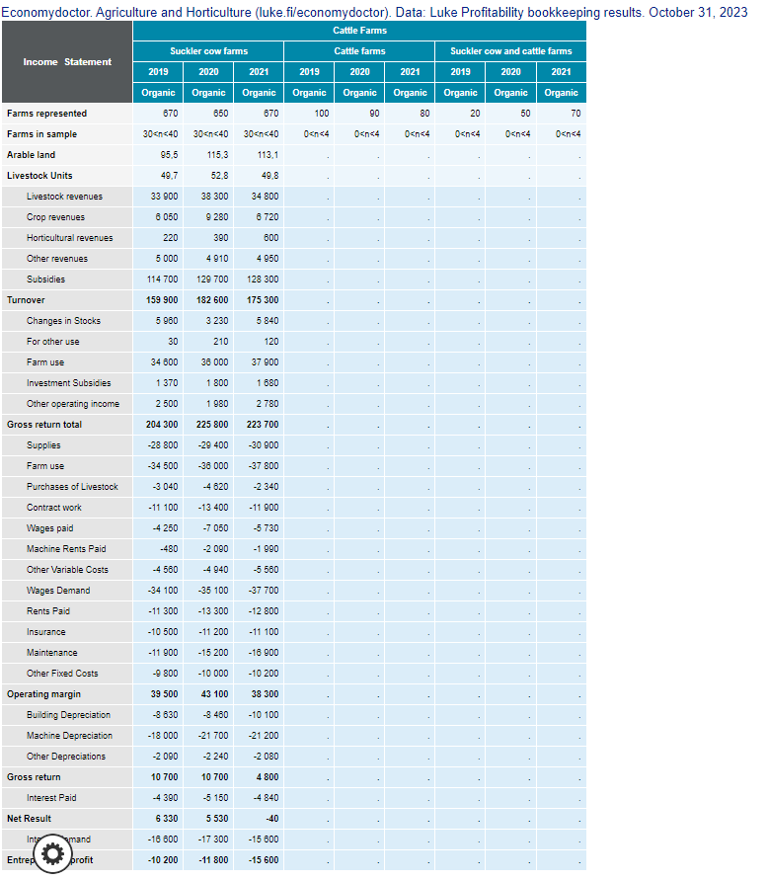
 |  | m2/cow | m2/cow | 17 | https://www.theseus.fi/bitstream/handle/10024/55918/Inkeroinen_Heikki.pdf?sequence=1&isAllowed=y

 | Meat characteristics | Carcass weight (at slaughter at end of year (2 yo heifer)) | kg | 158.70242688 | Equation 2 luke excretion data
 |  | Dressing % | % | 53.7 | Average luke excretion data
 |  | Energy use on beef farm | Kwh/animal | 387 | https://www.sciencedirect.com/science/article/pii/S0308521X21002031
 |  | Water demand for beef heifers | L/kg produced | 7000 | https://www.mtk.fi/beef
 |  | Livestock unit (European) | livestock unit/heifer | 0.6 | https://ec.europa.eu/eurostat/statistics-explained/index.php?title=Glossary:Livestock_unit_(LSU)

 |  |  | € total: | €/LU
 |  | Other variable costs | 5560 | 111.64658635 | https://portal.mtt.fi/portal/pls/portal/tt_mtt.tt_mtt_kankir_pack.laheta
 |  | Insurance | 11100 | 222.89156627 | https://portal.mtt.fi/portal/pls/portal/tt_mtt.tt_mtt_kankir_pack.laheta
 |  | Maintenance | 15200 | 305.22088353 | https://portal.mtt.fi/portal/pls/portal/tt_mtt.tt_mtt_kankir_pack.laheta
 |  | Other fixed costs | 10200 | 204.81927711 | https://portal.mtt.fi/portal/pls/portal/tt_mtt.tt_mtt_kankir_pack.laheta
 |  | Livestock units | 49.8 | 844.57831325
 |  |  |  | 506.74698795

 |  | Decision variables
 | Themes: | Components: | Units: | Min: | Max: | Source:
 | Cattle | Amount of cattle (1 year old heifers) | no. | 5 | 597.723 | Grazing many practises pamphlet from Ladunvinkki
 |  | Area required for evercise yard: | m2 (6m2 required per cow) | 50 | 3586.338 | https://www.suomi.fi/services/outdoor-cattle-grazing-regional-state-administrative-agency/453241de-7473-46eb-965f-c5d71646a2f8
 | Biomasses | Amount distributed in energy production | Fraction | 0 | Max DM yield for each feed crop
 |  | Amount distributed for feeding | Fraction | 0 | Max DM yield for each feed crop
 |  | Crops used for bedding | kg DM | 0 | Max DM yield for each feed crop
 | Farm area | Area used for cultivation | ha | 341.43 | 377.37

 | Crop rotation decision variables (5 year crop rotation) |  |  |  |  | Range for decision variable |  | Range for fixing the model
 | Crop type | Specific crops | Area occupied | % dominance in crop rotation | % dominance in crop rotation in each partition (cash cop land and grasslands) | Min | Max based on crop rotation | Min (-20%) | Max (+20%)
 | Cereals | Oats | 57.14 | 15.898720089 | 27.013993949 | 0 | 71.88 | 45.712 | 68.568
 |  | Winter wheat | 15.13 | 4.2097941013 | 7.1529878971 | 0 | 71.88 | 12.104 | 18.156
 |  | Winter rye | 15.79 | 4.3934335003 | 7.4650151286 | 0 | 71.88 | 12.632 | 18.948
 |  | Buckwheat | 49.43 | 13.753478019 | 23.368948563 | 0 | 71.88 | 39.544 | 59.316
 |  | Total cereals | 137.49 | 38.25542571 |  | 0 | 287.52 | 109.992 | 164.988
 | Oilseeds | Autumn rapeseed | 0 | 0 | 0 | 0 | 71.88 | 26.336 | 39.504
 |  | Oil hemp | 32.92 | 9.1597106288 | 15.563540091 | 0 | 71.88 | 26.336 | 39.504
 |  | Total oil seeds | 32.92 | 9.1597106288 |  | 0 | 143.76 | 26.336 | 39.504
 | Pulses | Food pea | 41.11 | 11.438508625 | 19.435514372 | 0 | 71.88 | 32.888 | 49.332
 |  | Total food pea | 41.11 | 11.438508625 |  | 0 | 71.88 | 32.888 | 49.332
 | Grass leys | Grass clover leys | 121.81 | 33.892598776 | 82.370841223 | 0 | 143.76 | 97.448 | 146.172
 |  | Total grass clover leys | 121.81 | 33.892598776 |  | 0 | 143.76 | 97.448 | 146.172
 | Perennial pastures | Perennial pastures | 26.07 | 7.2537562604 | 17.629158777 | 24 | 27 | 20.856 | 31.284
 |  | Total perennial pastures | 26.07 | 7.2537562604 |  | 0 | 27 | 20.856 | 31.284
 | Totals | Total cash crops | 211.52 | 58.853644964 |  | 0 | 503.16 | 169.216 | 253.824
 |  | Total grasses | 147.88 | 41.146355036 |  | 0 | 170.76 | 118.304 | 177.456
 |  | Total land used (ha): | 359.4 | 100 |  | 0 | 673.92 | 287.52 | 431.28

 | Crop rotation decision variables (4 year crop rotation) |  |  |  |  | Range for decision variable |  | Range for fixing the model |  | Value to place in farmDESIGN to ensure field constraints are not violated in non brewery scenarios 4 year crop rotation | Value to place in farmDESIGN to ensure field constraints are not violated in brewery scenarios 4 year crop rotation
 | Crop type | Specific crops | Area occupied | % dominance in crop rotation | % dominance in crop rotation in each partition (cash cop land and grasslands) | Min | Max based on crop rotation | Min (-20%) | Max (+20%)
 | Cereals | Oats | 57.14 | 15.898720089 | 27.013993949 | 0 | 89.85 | 45.712 | 68.568 | 48.544147126
 |  | Winter wheat | 15.13 | 4.2097941013 | 7.1529878971 | 0 | 89.85 | 12.104 | 18.156 | 12.853919251
 |  | Winter rye | 15.79 | 4.3934335003 | 7.4650151286 | 0 | 89.85 | 12.632 | 18.948 | 13.414632186
 |  | Buckwheat | 49.43 | 13.753478019 | 23.368948563 | 0 | 89.85 | 39.544 | 59.316 | 41.994000567
 |  | Total cereals | 137.49 | 38.25542571 |  | 0 | 359.4 | 109.992 | 164.988 | 0
 | Oilseeds | Autumn rapeseed | 0 | 0 | 0 | 0 | 89.85 | 26.336 | 39.504 | 0
 |  | Oil hemp | 32.92 | 9.1597106288 | 15.563540091 | 0 | 89.85 | 26.336 | 39.504 | 27.967681543
 |  | Total oil seeds | 32.92 | 9.1597106288 |  | 0 | 179.7 | 26.336 | 39.504 | 0
 | Pulses | Food pea | 41.11 | 11.438508625 | 19.435514372 | 0 | 89.85 | 32.888 | 49.332 | 34.925619327
 |  | Total food pea | 41.11 | 11.438508625 |  | 0 | 89.85 | 32.888 | 49.332 | 0
 | Grass leys | Grass clover leys | 121.81 | 33.892598776 | 82.370841223 | 0 | 152.7 | 97.448 | 146.172 | 153.63
 |  | Total grass clover leys | 121.81 | 33.892598776 |  | 0 | 152.7 | 97.448 | 146.172 | 153.63
 | Perennial pastures | Perennial pastures | 26.07 | 7.2537562604 | 17.629158777 | 24 | 27 | 20.856 | 31.284 | 26.07
 |  | Total perennial pastures | 26.07 | 7.2537562604 |  | 0 | 27 | 20.856 | 31.284 | 26.07
 | Totals | Total cash crops | 211.52 | 58.853644964 |  | 0 | 179.7 | 169.216 | 253.824 | 179.7
 |  | Total grasses | 147.88 | 41.146355036 |  | 0 | 179.7 | 118.304 | 177.456 | 179.7
 |  | Total land used (ha): | 359.4 | 100 |  | 0 | 359.4 | 287.52 | 431.28 | 359.4

 | Crop rotation decision variables (4 year crop rotation)
 |  |  | Area occupied | % dominance in crop rotation
 | Groups | Cash crops | 179.7 | 50
 |  | Grasses | 179.7 | 50
 |  | Total: | 359.4
 |  | Maximum area a cash crop can occupy (for decision variable) | 89.85
 |  | Grass clover leys maximum area that can be occupied | 152.7

 | Max yield that can be achieved based on limit of decision variable
 | Crop: | Crop product: | Yield per ha (kg DM/ha) | Max yield based on decision variable max (kg DM)
 | Autumn rapeseed | Rapeseed | 1104 | 79355.52
 |  | Rapseed straw | 1435.2 | 103162.176
 | Buckwheat | Buckwheat | 860 | 61816.8
 |  | Buckwheat straw | 1404.6666667 | 100967.44
 | Food pea | Food pea | 1557 | 111917.16
 |  | Pea straw | 1089.9 | 78342.012
 | Grass clover ley | Pasture grass | 1684.4914286 | 242162.48777
 |  | Silage (late cut) | 6300 | 905688
 | Imported manures | Horse manure | 300000 | 300000
 |  | Chicken manure | 24800 | 24800
 | Oats | Oat straw | 1204 | 86543.52 | Max oat feed grain yield
 |  | Oat feed grains | 1376 | 98906.88 | 123633.6
 |  | Oat food grains | 344 | 24726.72
 | Oil hemp | Seeds | 187.68 | 13490.4384
 |  | Seed cake | 121.992 | 8768.78496
 | Perennial pasture | Pasture grass | 1800 | 48600
 | Winter wheat | Grain | 1720 | 123633.6
 |  | Wheat straw | 1471.5555556 | 105775.41333
 | Rye straw | Grain | 2150 | 154542
 |  | Rye straw | 2257.5 | 162269.1
 | Eastern Finn | Meat | 0.65803098361 | 143561.89257

